UN Impact Analysis
Impact Analysis
Background and method Arbejdernes Landsbank has signed the UN Principles for Responsible Banking (PRB) and has committed itself to implementing six strategic principles in the Bank's business and practices. Arbejdernes Landsbank uses the PRB as an overall strategic framework in corporate social responsibility and sustainability. One of the most important steps in implementing the PRB is to conduct an impact analysis that identifies the most positive and negative impact areas, and quantify one of them. Arbejdernes Landsbank has used the tools developed by the UN: Portfolio Impact Identification Tool and Portfolio Impact Analysis Tool to analyse the impacts of loans and investments, respectively. Both tools were developed to support us as a PRB signatory to identify important impact areas across the Bank's loan and investment portfolios in order to be able to increase positive impacts and reduce negative impacts through products, services and advisory services. The impact analysis consists of the following steps:
1. The Group's principal activities (Scope)
The Arbejdernes Landsbank Group is a nationwide banking group that only operates in Denmark. We offer relevant and competitive financial products and services combined with competent advisory services for private individuals, associations and small and medium-sized enterprises. The Group has business activities in Arbejdernes Landsbank as well as in the subsidiaries AL Finans and Vestjysk Bank. Arbejdernes Landsbank became the official majority owner of Vestjysk Bank in May 2021, and following this the Arbejdernes Landsbank Group was designated as a systemically important financial institution in June 2021. The two banks in the Group are operated as two independent banks and brands. This impact analysis includes business scope and activities throughout the Group. The principle activities (scope) of the Group comprise: - Bank loans, housing loans, cooperative housing loans and car loans for private customers - Financing business activities as well as car and vehicle leasing for business customers - Investment activities for private customers, business customers and association customers - Investments of own portfolio The business activity (scale of exposure) in the impact analysis was calculated as at 31 December 2021 for lending activities and in mid-December 2021 for investment activities. Number of customers calculated as at 31 December 2021.

 | Group |  | Arbejdernes Landsbank |  | AL Finans |  | Vestjysk Bank
Private customers | 503,918 |  | 315,688 |  | 24,758 |  | 163,472
Business customers | 38,872 |  | 15,874 |  | 4,348 |  | 18,650
Associations | 16,693 |  | 12,483 |  |  |  | 4,210
Total | 559,483 |  | 344,045 |  | 29,106 |  | 186,332

2. Portfolio composition (Scale)
The business activity in the impact analysis was selected on the basis that Arbejdernes Landsbank, AL Finans and Vestjysk Bank have direct influence on the composition of activities. The scale of business activity includes total loans on the balance sheet, investments on behalf of customers and owners and investments of the own portfolio. The business activity in the analysis cannot be compared with the balance sheet in the financial statements of the Arbejdernes Landsbank Group. This is because the business activity in the analysis includes loans and investments which are not entered in the accounting records of Arbejdernes Landsbank, for example, investments on behalf of our customers. The business activity primarily consists of loans for private customers, which account for 42% broken down by e.g. loans for cars and housing. Loans for business customers account for 14% of the business activity and are broken down by loans for small and medium-sized enterprises in a number of different industries. Agriculture and fisheries, retail, financing and insurance as well as properties each account for more than 10% of the business portfolio. Investments on behalf of customers account for 21% of the business activity and are broken down by different asset classes and geographies, including primarily Danish and US shares in listed companies and Danish government bonds and mortgage-credit bonds. Investments in own portfolio account for 23% of the business activity and primarily consist of Danish corporate bonds, government bonds and mortgage-credit bonds.
Group |  | DKK bn. |  |  |  | %
Total loans |  | 60.1 |  |  |  | 42%
Private customers |  | 39.9 |  |  |  | 28%
Total business |  | 20.2 |  |  |  | 14%
Agriculture and fisheries |  | 3.8 |  |  |  | 3%
Manufacturing |  | 1.3 |  |  |  | 1%
Electricity, gas, steam and air conditioning supply |  | 0.8 |  |  |  | 1%
Construction |  | 1.4 |  |  |  | 1%
Wholesale and retail sale |  | 3.2 |  |  |  | 2%
Other service activities |  | 0.8 |  |  |  | 1%
Information and communication |  | 0.1 |  |  |  | 0%
Financing and insurance |  | 2.2 |  |  |  | 2%
Properties |  | 3.3 |  |  |  | 2%
Other service activities |  | 3.2 |  |  |  | 2%
Total investments |  | 62.8 |  |  |  | 44%
Investments on behalf of customers* |  | 29.4 |  |  |  | 21%
Own portfolio |  | 33.4 |  |  |  | 23%
Total |  | 143.1 |  |  |  | 100%
*Includes portfolios in the Group's pooled funds, portfolio management mandates, AL-FormueInvest and AL-LetInvest.
The business activity (scale of exposure) in the impact analysis was calculated as at 31 December 2021 for lending activities and in mid-December 2021 for investment activities.

3. Relevance to the context in which the Group operates (Context)
In Denmark – and in the EU – the climate is high on the political agenda. Folketinget (the Danish Parliament) has adopted a Climate Act and has placed Denmark under a legal obligation to reduce its greenhouse gas emissions by 70% in 2030 and to ensure climate-neutrality by 2050. The green transition requires fundamental changes in Danish society. The Climate Act specifies that the climate effort must take into account that a green transition is possible while maintaining a strong welfare society, where cohesion and social balance are secured. The financial sector in the EU and in Denmark has been designated as one of the most important players in terms of ensuring fulfilment of the climate targets through financing and investments. The sector association "Forum for Sustainable Finance" under Finance Denmark recommends that the CO2e footprint and goals for future reductions of the Danish financial sector should be made public. With its well-established social security net, free education for everyone and a certain level of equality between men and women, the Danish welfare state is an excellent starting point for equal opportunities. However, there are still groups in Denmark who are exposed to discrimination and who do not have the possibility to participate in society on an equal footing with the rest of the population. Even though inequality in Denmark is relatively low in a global perspective, there are still challenges and inequalities to be addressed and corrected.
4. Identification of potential impact areas (Impact)
In order identify which impact areas the Group impacts most through its business activities, we have used the UN Portfolio Impact Identification Tool for loans and the Investment Portfolio Impact Analysis Tool for investments. In the Portfolio Impact Identification Tool and the Investment Portfolio Impact Analysis Tool, industries and countries have been given various degrees of significance in relation to the impact areas. An impact area can be significant as a result of the industry's effect on the impact area, but also as a result of the extent of activities in the Group. In the lending area, the Group has a relatively large number of private customers compared with business customers – and most of the Bank's business customers are small and medium-sized enterprises within different industries. This means that we could identify several different impact areas by using the Portfolio Impact Identification Tool. "Housing", "Health and sanitation" and "Financial health and inclusion" are among the potential positive impact areas. The Group's potential negative impact areas include "Resource efficiency", "Climate" and "Financial health and inclusion". In the investment area, the Group makes investments on behalf of customers as well as investments of the Group's own portfolio. When using the Investment Portfolio Impact Analysis Tool, "Employment", "Financial health and inclusion" and "Housing" are among the positive impact areas, whereas the negative impact areas include "Resource efficiency, "Financial health and inclusion" and "Climate". Overall, we estimate that "Climate" and "Financial health and inclusion" are the most the significant impact areas for the Group.
Impact: Loans
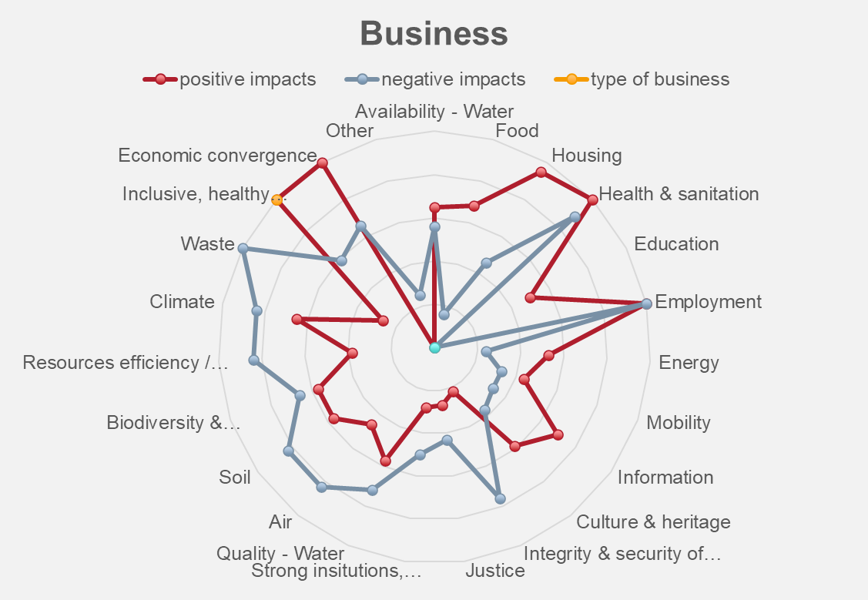 |  |  |  | 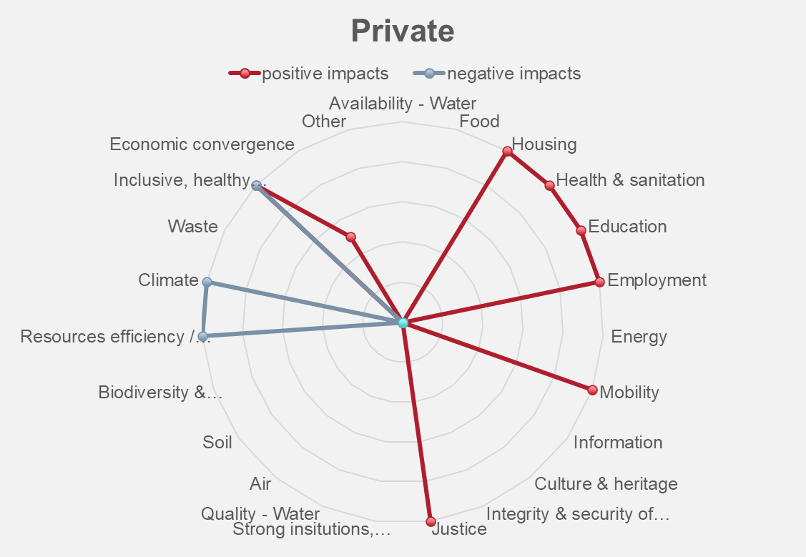
Impact: Investments
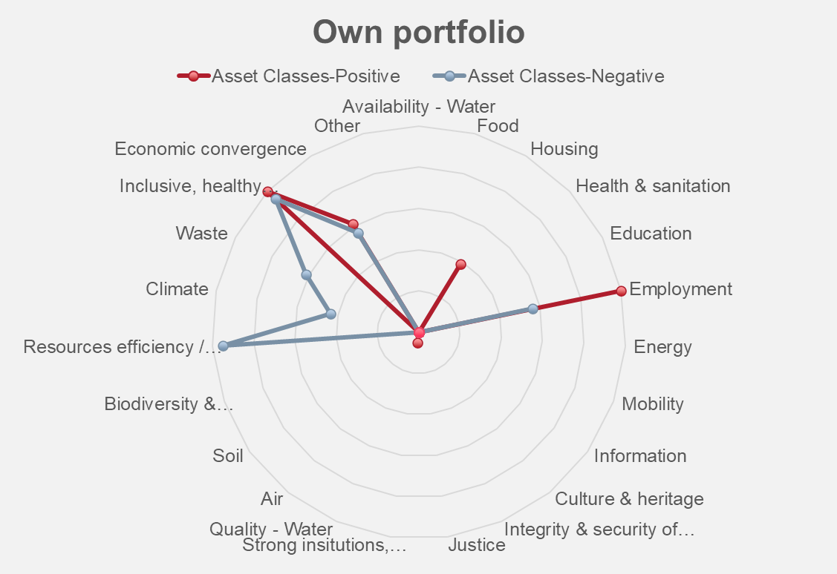 |  |  |  | 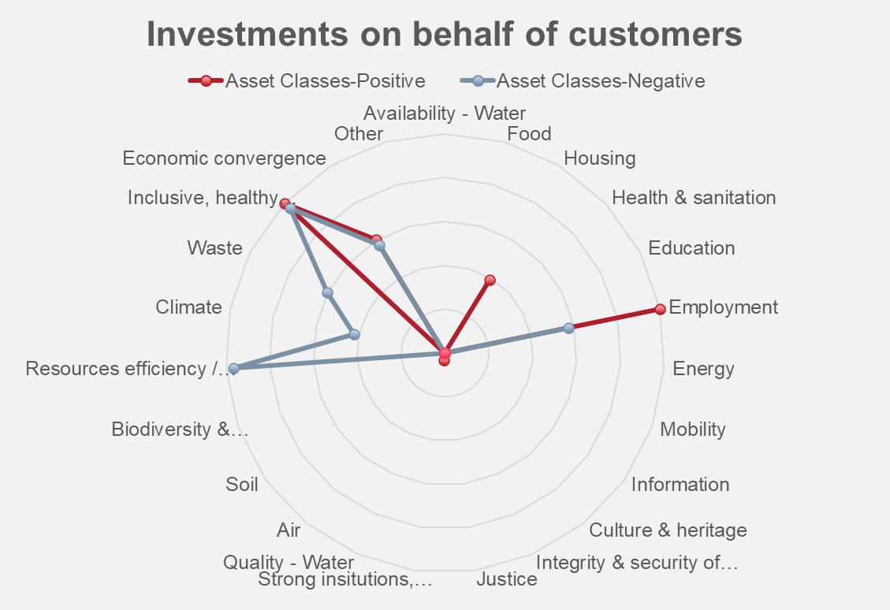
5. Quantification of impact area (Salience)
Climate In 2021, we developed accounting policies and implemented calculations of financed CO2e emissions for both loans and investments. For loans in particular, there is some way to go before we have exact data on the level of CO2e released into the atmosphere. However, using a best-effort approach as well as specific and statistical data, we have reached an estimate which we believe to be true and accurate and to provide a good overview. In the report for 2022, we have included Vestjysk Bank in the calculations of financed emissions, so now we can estimate which business areas contribute to the largest financed emissions in the Group. Financial health and inclusion The Group identified the impact area "Financial health and inclusion" in 2022, and we are therefore not as far along in this area as we are in the impact area "Climate". In 2022, we mapped existing initiatives and key figures that can be used to assess the Group's performance. The initial investigation shows that the Group is already reporting on a number of relevant data, e.g. customer satisfaction, influx of customers and customer retention. Moreover, the investigation shows that, with its history as a responsible bank, Arbejdernes Landsbank has been launching initiatives for many years to support particularly vulnerable groups in society e.g. via education or access to financial products. In 2023, the Group will prepare a framework that can be used as baseline for specific objectives within the area.
See calculations of the Group's indirect and direct CO2e emissions
See key figures for the Group

