UN impact analysis
Impact analysis
Background and methodology Arbejdernes Landsbank has signed the UN Principles for Responsible Banking (PRB) and is committed to implementing six strategic principles in the bank’s business and practices. Arbejdernes Landsbank uses the PRB as an overall strategic framework for its work with corporate social responsibility and sustainability. A significant step in the implementation of the PRB is the completion of an impact analysis that identifies the main positive and negative impact areas and quantifies one of them. Arbejdernes Landsbank has used the UN-developed Portfolio Impact Identification Tool and Investment Portfolio Impact Analysis Tool to analyse the impacts of loans and investments, respectively. Both tools are designed to support us as a PRB signatory in identifying key impact areas across the bank’s loan and investment portfolios in order to increase positive impacts and reduce negative impacts through products, services and advisory services. The impact analysis consists of the following steps:
1. Principal activities of the group (scope)
The Arbejdernes Landsbank group is a nationwide banking group that only operates in Denmark. The group offers relevant and competitive financial products and services combined with competent advisory services to private individuals, associations and small and medium-sized companies. The group has business activities in Arbejdernes Landsbank as well as the subsidiaries AL Finans and Vestjysk Bank. Arbejdernes Landsbank became the official majority owner of the latter in May 2021, and following this, the Arbejdernes Landsbank group was designated a systemically important financial institution in June 2021. The two banks in the group operate as two independent banks, each with their own business models and brands. This impact analysis includes the business activities across the entire group. The main activities of the group include: - Bank loans, housing loans, cooperative housing loans and car loans for private customers - Financing of business activities and the leasing of cars and vehicles for business customers - Investment activities targeting private customers, business customers and association customers - Investments of own portfolio The business activities covered in the impact analysis are calculated as at 31 December 2021 on the loans side and mid-December 2021 on the investment side. The number of customers is calculated as at 31 December 2021.

 | Group |  | Arbejdernes Landsbank |  | AL Finans |  | Vestjysk Bank
Private customers | 503,918 |  | 315,688 |  | 24,758 |  | 163,472
Business customers | 38,872 |  | 15,874 |  | 4,348 |  | 18,650
Associations | 16,693 |  | 12,483 |  |  |  | 4,210
Total | 559,483 |  | 344,045 |  | 29,106 |  | 186,332

2. Portfolio composition (Scale)
The business activities included in the impact analysis has been selected on the basis of Arbejdernes Landsbank, AL Finans and Vestjysk Bank having direct access to or direct influence on the composition of the activities. When determining the scope of business activities, there is included total loans on the balance sheet, investments on behalf of customers and owners and investments of the own portfolio. The business activities included in the analysis cannot be compared with the balance sheet in the financial statements of the Arbejdernes Landsbank group. This is because the business activities in the analysis includes loans and investments that are not recognised on the balance sheet of Arbejdernes Landsbank, for example, investments on behalf of our customers. The business activities consist primarily of loans to private customers which accounts for 42% and include, among other things, car loans and housing loans. Loans for business customers account for 14% of the business activity and are split between loans to small and medium-sized businesses in a variety of industries. Agriculture and fisheries, retail, finance and insurance and properties each account for more than 10% of the business portfolio. Investments on behalf of customers account for 21% of the business activities and are distributed across various asset classes and geographies, including primarily Danish and US equities in listed companies and Danish government and mortgage-credit bonds. Investments in own holdings account for 23% of the business activities and consist primarily of Danish corporate, government and mortgage-credit bonds.
Group |  | DKK bn. |  |  |  | Distribution in per cent
Total loans |  | 60.1 |  |  |  | 42%
Private |  | 39.9 |  |  |  | 28%
Total business |  | 20.2 |  |  |  | 14%
Agriculture and fisheries |  | 3.8 |  |  |  | 3%
Manufacturing |  | 1.3 |  |  |  | 1%
Electricity, gas, steam and air conditioning supply |  | 0.8 |  |  |  | 1%
Construction |  | 1.4 |  |  |  | 1%
Wholesale and retail sales |  | 3.2 |  |  |  | 2%
Other service activities |  | 0.8 |  |  |  | 1%
Information and communication |  | 0.1 |  |  |  | 0%
Financing and insurance |  | 2.2 |  |  |  | 2%
Properties |  | 3.3 |  |  |  | 2%
Other service activities |  | 3.2 |  |  |  | 2%
Total investments |  | 62.8 |  |  |  | 44%
Investments on behalf of customers* |  | 29.4 |  |  |  | 21%
Own portfolio |  | 33.4 |  |  |  | 23%
Total |  | 143.1 |  |  |  | 100%
* Includes holdings in the group’s pools, portfolio management mandates, AL-FormueInvest and AL-LetInvest.
The business activities covered in the impact analysis are calculated as at 31 December 2021 on the loans side and mid-December 2021 on the investment side.

3. Relevance to the context in which the group operates (Context)
In Denmark - as in the EU - climate is high on the political agenda. The Danish Parliament has passed a climate law and made Denmark legally obligated to reduce its greenhouse gas emissions by 70 per cent by 2030 and to ensure climate neutrality by 2050 at the latest. The green transition will require fundamental changes in Danish society. The Danish Climate Act specifies that climate initiatives must take into account that a green transition can be made while maintaining a strong welfare society where cohesion and social balance are ensured. The financial sector in the EU and in Denmark has been identified as one of the key players in ensuring the fulfilment of climate goals through financing and investments. Finance Denmark’s ‘Forum for Sustainable Finance’ recommends that the Danish financial sector’s CO2e footprint and targets for future reductions should be made public. The Danish welfare state, with its well-established social safety net, universal free education and a certain degree of equality between men and women is an excellent starting point for equal opportunities. However, there are still groups in Denmark who are discriminated against and who do not have the opportunity to participate in society on an equal footing with the rest of the population. Even though inequality in Denmark is relatively low in a global context, there are still challenges and inequalities that need to be addressed and corrected.
4. Identification of potential impact areas (Impact)
To identify the impact areas that the group mainly affects through its business activities, we have used the UN Portfolio Impact Identification Tool for the loans part and the Investment Portfolio Impact Analysis Tool for the investment part. In the Portfolio Impact Identification Tool and the Investment Portfolio Impact Analysis Tool, industries and countries are assigned different degrees of materiality in relation to the impact areas. An impact area can be significant due to the industry’s effect on the impact area but also due to the scale of activities in the group. On the loans side, the group has a relatively large number of private customers compared to the number of business customers - just as the vast majority of the bank’s business customers are small and medium-sized businesses in different industries. This means that by using the Portfolio Impact Identification Tool, we are able to identify several different impact areas. The potential positive impact areas include “housing”, “health and sanitation” and “financial health and inclusion”. The group’s potential negative impact areas include “resource efficiency”, “climate” and “financial health and inclusion”. On the investment side, the group makes investments on behalf of customers as well as making investments in the group’s own portfolio. Using the Investment Portfolio Impact Analysis Tool, the positive impact areas include “employment”, “financial health and inclusion” and “housing”, while the negative impact areas include “resource efficiency”, “financial health and inclusion” and “climate”. Overall, based on the analysis, we believe that the impact areas “climate” and “financial health and inclusion” are the most significant impact areas for the group.
Impact: Loans
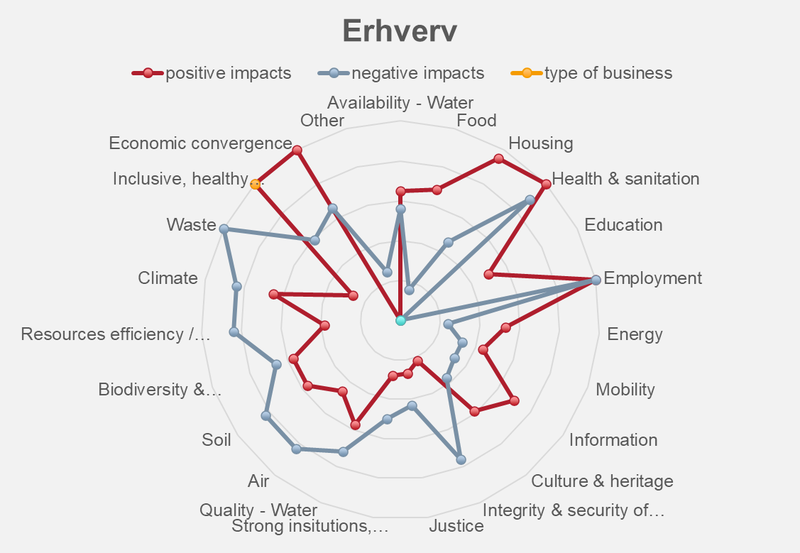 |  |  |  | 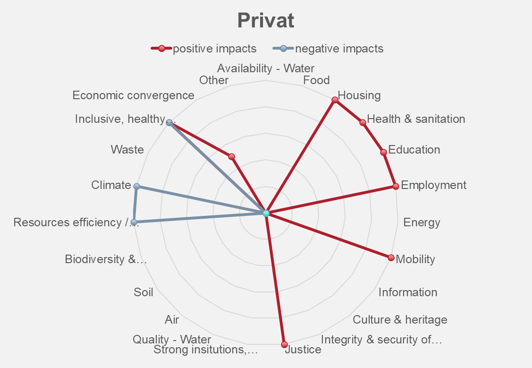
Impact: Investments
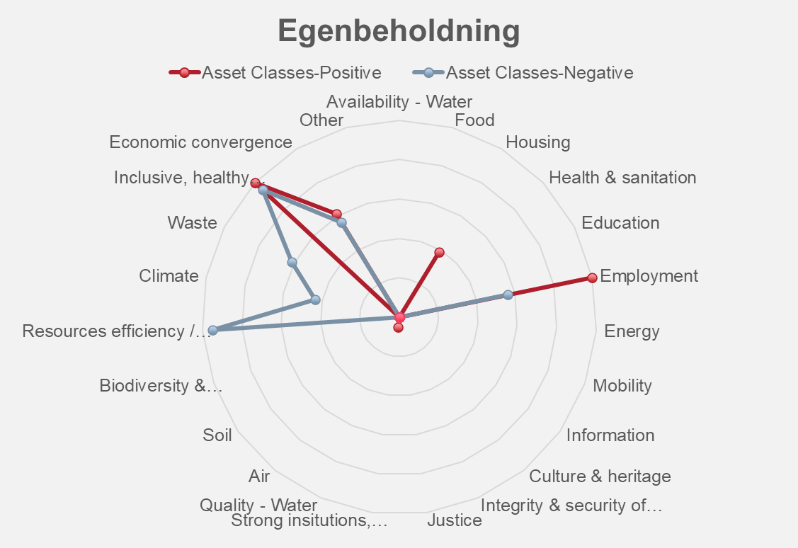 |  |  |  | 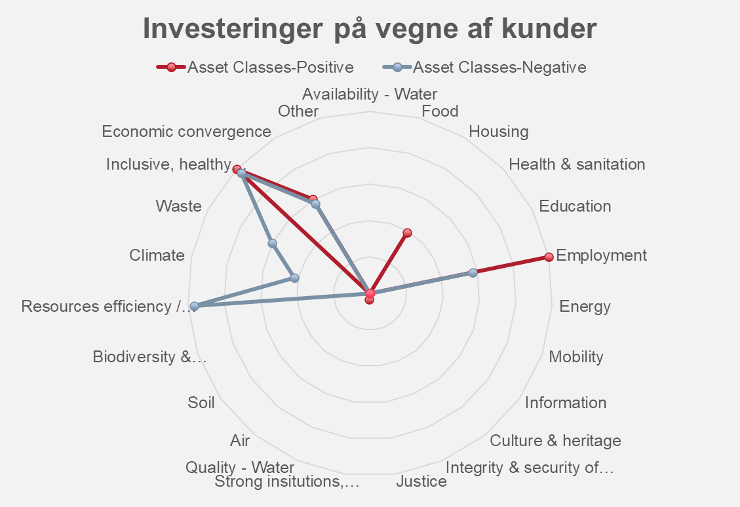
5. Quantifying the impact area (Salience)
Climate In 2021, we developed accounting policies and performed calculations of financed CO2e emissions on both the loans and investment side. Especially on the loans side, we are not quite there yet when it comes to exact data on how much CO2e is emitted into the atmosphere. However, based on a best effort approach and using both specific and statistical data, we have come up with an estimate that we believe is accurate and provides a good overview. In the 2022 report, we have included Vestjysk Bank in the calculation of funded emissions, so we can now estimate which business areas contribute to the largest funded emissions in the group. Financial health and inclusion The group identified the impact area “Financial Health and Inclusion” in 2022 and work in this area has therefore not progressed as much as the impact area “Climate”. In 2022, the work consisted of mapping existing initiatives and key figures that can be used to assess the group’s performance. The initial investigation shows that the group already reports on a range of relevant data such as customer satisfaction, customer acquisition and customer retention. In addition, the study shows that Arbejdernes Landsbank, by virtue of its history as a responsible bank, has over time launched initiatives that support particularly vulnerable groups in society, for example, through education or access to financial products. In 2023, the group will develop a framework that can be used as a baseline for concrete targets in this area.
See the calculations of the group’s indirect and direct CO2e emissions
See the key figures for the group’s customers

